查詢是否繳清推廣貿易服務費
查詢推貿基金服務費有無欠稅操作手冊
1.關港貿單一窗口
https://portal.sw.nat.gov.tw/PPL/

2. 點「通關簽審查詢」
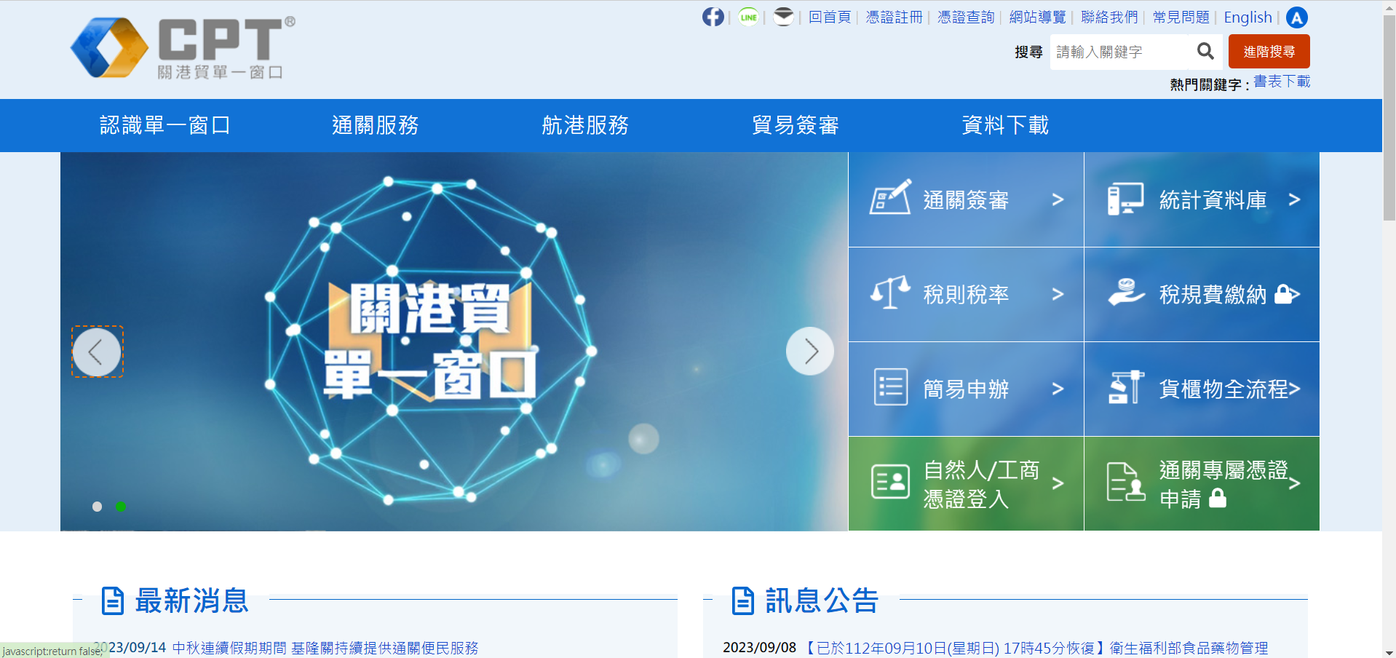

3.點「出口通關流程」à「出口費用欠費資料查詢」
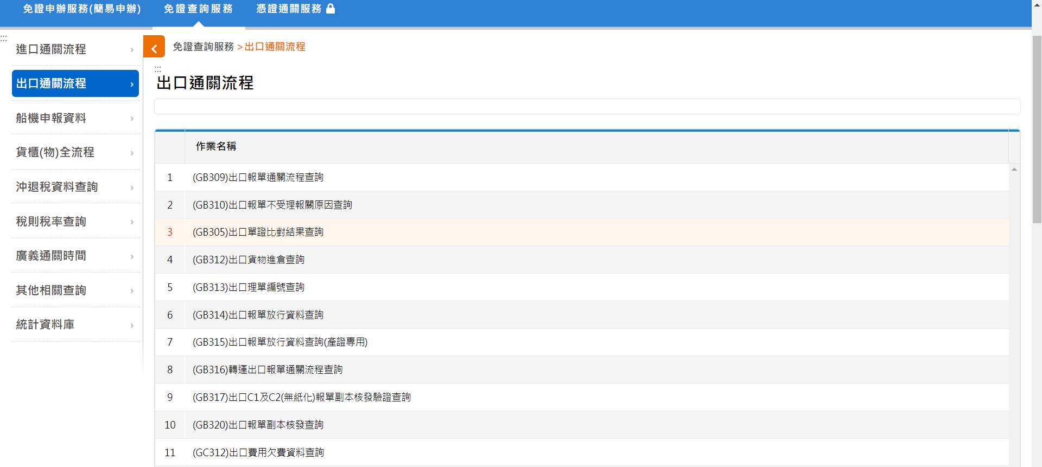

4. 輸入「統編」à「查詢」
